Riskometer
Riskometer as on May 31, 2022 Portfolio |  |  | Riskometer as on May 31, 2022 Portfolio
Scheme Name | Scheme Riskometer | Benchmark Riskometer | Scheme Name | Scheme Riskometer | Benchmark Riskometer
This product is suitable for investors who are seeking* L&T Midcap Fund - An open ended equity scheme predominantly investing in mid cap stocks: • Long term capital appreciation • Investment primarily in midcap equity and equity-related securities | 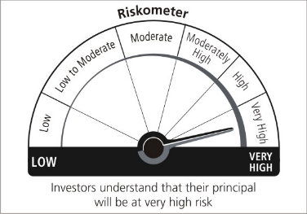 |  | This product is suitable for investors who are seeking* L&T Triple Ace Bond Fund - An open ended debt scheme predominantly investing in AA+ and above rated corporate bonds: • Generation of regular and stable income over medium to long term • Investment predominantly in AA+ and above rated corporate bonds and money market instruments | 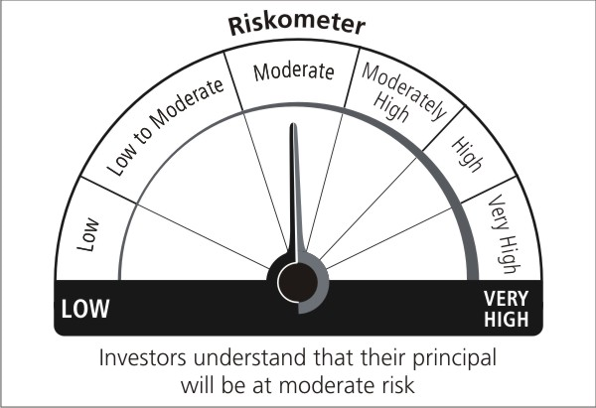
*Investors should consult their financial advisers if in doubt about whether the product is suitable for them. |  | Benchmark Name : S&P BSE 150 MidCap TRI | *Investors should consult their financial advisers if in doubt about whether the product is suitable for them. |  | Benchmark Name : NIFTY Corporate Bond Index

This product is suitable for investors who are seeking* L&T Flexicap Fund - An open ended dynamic equity scheme investing across large cap, mid cap, small cap stocks:ᵟ • Long term capital growth •Investment predominantly in equity and equity-related securities |  |  | This product is suitable for investors who are seeking* L&T Ultra Short Term Fund - An open ended ultra-short term debt scheme investing in instruments such that the Macaulay duration of the portfolio is between 3 months to 6 months (please refer to page no.18 under the section “Asset Allocation Pattern” in the SID for details on Macaulay’s Duration)#: • Generation of reasonable and stable income and liquidity over short term • Investments predominantly in highly liquid money market instruments, government securities and corporate debt
*Investors should consult their financial advisers if in doubt about whether the product is suitable for them. |  | Benchmark Name : S&P BSE 500 TRI | *Investors should consult their financial advisers if in doubt about whether the product is suitable for them. |  | Benchmark Name : NIFTY Ultra Short Duration Debt Index

This product is suitable for investors who are seeking* L&T Large and Midcap Fund - An open ended equity scheme investing in both large cap and mid cap stocks: • Long term capital growth • Investment predominantly in equity and equity-related securities, with minimum allocation of at least 35% each to large cap and mid cap companies |  |  | This product is suitable for investors who are seeking* L&T Gilt Fund - An open ended debt scheme investing in government securities across maturity: • Generation of returns over medium to long term • Investment in Government Securities
*Investors should consult their financial advisers if in doubt about whether the product is suitable for them. |  | Benchmark Name : NIFTY Large Midcap 250 TRI | *Investors should consult their financial advisers if in doubt about whether the product is suitable for them. |  | Benchmark Name : Nifty All Duration G-Sec Index

This product is suitable for investors who are seeking* L&T Tax Advantage Fund - An open ended equity linked saving scheme with a statutory lock in of 3 years and tax benefit: • Long term capital growth • Investment predominantly in equity and equity-related securities |  |  | This product is suitable for investors who are seeking* L&T Liquid Fund - An open ended liquid scheme: • Generation of reasonable returns while maintaining safety and superior liquidity over short term • Investment predominantly in highly liquid money market instruments, government securities and corporate debt.
*Investors should consult their financial advisers if in doubt about whether the product is suitable for them. |  | Benchmark Name : S&P BSE 500 TRI | *Investors should consult their financial advisers if in doubt about whether the product is suitable for them. |  | Benchmark Name : Nifty Liquid Index

This product is suitable for investors who are seeking* L&T Infrastructure Fund - An open-ended equity scheme investing in infrastructure sector: • Long term capital appreciation • Investment predominantly in equity and equity-related instruments of companies in the infrastructure sector |  |  | This product is suitable for investors who are seeking* L&T Money Market Fund - An open ended debt scheme investing in money market instruments: • Generation of regular income over short to medium term • Investment in money market instruments
*Investors should consult their financial advisers if in doubt about whether the product is suitable for them. |  | Benchmark Name : Nifty Infrastructure TRI | *Investors should consult their financial advisers if in doubt about whether the product is suitable for them. |  | Benchmark Name : Nifty Money Market Index

This product is suitable for investors who are seeking* L&T India Large Cap Fund - An open ended equity scheme predominantly investing in large cap stocks: • Long term capital appreciation • Investment in equity and equity related securities, including equity derivatives in the Indian markets and foreign securities; with predominant investments in large cap stocks | 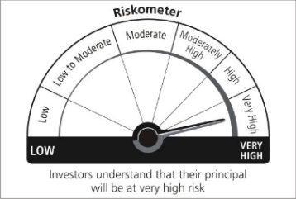 |  | This product is suitable for investors who are seeking* L&T Overnight Fund - An open ended debt scheme investing in overnight securities: • Reasonable returns with lower volatility and higher liquidity over short term • Investment in debt and money market instruments with overnight maturity | 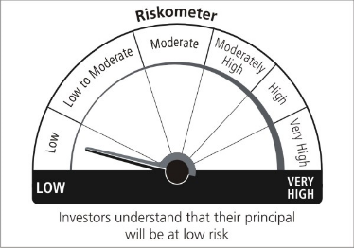
*Investors should consult their financial advisers if in doubt about whether the product is suitable for them. |  | Benchmark Name : S&P BSE 100 TRI | *Investors should consult their financial advisers if in doubt about whether the product is suitable for them. |  | Benchmark Name : Nifty 1D Rate Index

This product is suitable for investors who are seeking* L&T India Value Fund - An open ended equity scheme following a value investment strategy: • Long term capital appreciation • Investment predominantly in equity and equity-related securities in Indian markets and foreign securities, with higher focus on undervalued securities |  |  | This product is suitable for investors who are seeking* L&T Flexi Bond Fund - An open ended dynamic debt scheme investing across duration: • Generation of reasonable returns over medium to long term • Investment in fixed income securitie | 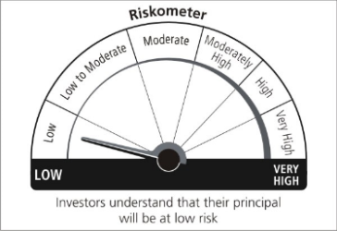
*Investors should consult their financial advisers if in doubt about whether the product is suitable for them. |  | Benchmark Name : S&P BSE 500 TRI | *Investors should consult their financial advisers if in doubt about whether the product is suitable for them. |  | Benchmark Name : NIFTY Composite Debt Index

This product is suitable for investors who are seeking* L&T Business Cycles Fund - An open–ended equity scheme following business cycles based investing theme: • Long term capital appreciation •Investment predominantly in equity and equity-related securities, including equity derivatives in Indian markets with focus on riding business cycles through dynamic allocation between various sectors and stocks at different stages of business cycles in the economy |  |  | This product is suitable for investors who are seeking* L&T Banking and PSU Debt Fund - An open ended debt scheme primarily investing in debt instruments of banks, public sector undertakings, public financial institutions and municipal bonds: • Generation of reasonable returns and liquidity over short term • Investment predominantly in securities issued by Banks, Public Sector Undertakings and Public Financial Institutions and municipal corporations in India
*Investors should consult their financial advisers if in doubt about whether the product is suitable for them. |  | Benchmark Name : S&P BSE 500 TRI | *Investors should consult their financial advisers if in doubt about whether the product is suitable for them. |  | Benchmark Name : Nifty Banking & PSU Debt Index

This product is suitable for investors who are seeking* L&T Emerging Businesses Fund - An open-ended equity scheme predominantly investing in small cap stocks: • Long term capital appreciation • Investment predominantly in equity and equity-related securities, including equity derivatives in Indian markets with key theme focus being emerging companies (small cap stocks); and foreign securities |  |  | This product is suitable for investors who are seeking* L&T Credit Risk Fund - An open ended debt scheme predominantly investing in AA and below rated corporate bonds: • Generation of regular returns and capital appreciation over medium to long term • Investment in debt instruments(including securitized debt), government and money market securities |  | 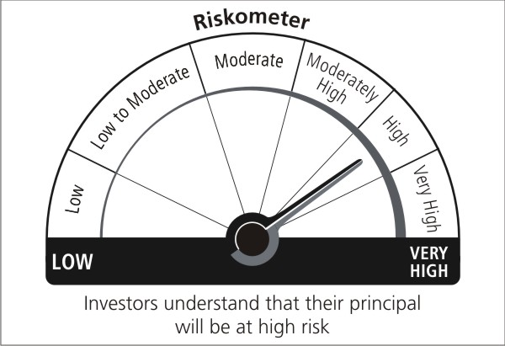
*Investors should consult their financial advisers if in doubt about whether the product is suitable for them. |  | Benchmark Name : S&P BSE 250 Small Cap Index TRI | *Investors should consult their financial advisers if in doubt about whether the product is suitable for them. |  | Benchmark Name : NIFTY Credit Risk Bond Index

This product is suitable for investors who are seeking* L&T Focused Equity Fund - An open ended equity scheme investing in maximum 30 stocks in large, mid and smallcap companies: • Long term capital appreciation • Investment in a concentrated portfolio of equity and equity related instruments of maximum 30 stocks. |  |  | This product is suitable for investors who are seeking* L&T Low Duration Fund - An open ended low duration debt scheme investing in instruments such that the Macaulay duration of the portfolio is between 6 months to 12 months (please refer to page no.17 under the section “Asset Allocation Pattern” in the SID for details on Macaulay’s Duration)#: • Generation of reasonable returns over short to medium term • Investment in fixed income securities and money market instruments
*Investors should consult their financial advisers if in doubt about whether the product is suitable for them. |  | Benchmark Name : Nifty 500 TRI | *Investors should consult their financial advisers if in doubt about whether the product is suitable for them. |  | Benchmark Name : NIFTY Low Duration Debt Index

This product is suitable for investors who are seeking* L&T Nifty 50 Index Fund - An open-ended Equity Scheme tracking NIFTY 50 Index: • Long term capital appreciation • Investment in equity securities covered by the NIFTY 50. |  |  | This product is suitable for investors who are seeking* L&T Short Term Bond Fund - An open ended short term debt scheme investing in instruments such that the Macaulay duration of the portfolio is between 1 year to 3 years (please refer to page no.18 under the section “Asset Allocation Pattern” in the SID for details on Macaulay’s Duration)#: • Generation of regular returns over short term • Investment in fixed income securities of shorter term maturity.
*Investors should consult their financial advisers if in doubt about whether the product is suitable for them. |  | Benchmark Name : Nifty 50 TRI | *Investors should consult their financial advisers if in doubt about whether the product is suitable for them. |  | Benchmark Name : Nifty Short Duration Debt Index

This product is suitable for investors who are seeking* L&T Nifty Next 50 Index Fund - An open-ended Equity Scheme tracking Nifty Next 50 Index: •Long term capital appreciation • Investment in equity securities covered by the NIFTY NEXT 50 |  |  | This product is suitable for investors who are seeking* L&T Resurgent India Bond Fund - An open ended medium term debt scheme investing in instruments such that the Macaulay duration of the portfolio is between 3 years to 4 years (please refer to page no. 19 under the section “Asset Allocation Pattern” in the SID for details on Macaulay’s Duration)#: • Generation of income over medium term • Investment primarily in debt and money market securities
*Investors should consult their financial advisers if in doubt about whether the product is suitable for them. |  | Benchmark Name : Nifty Next 50 TRI | *Investors should consult their financial advisers if in doubt about whether the product is suitable for them. |  | Benchmark Name : NIFTY Medium Duration Debt Index

This product is suitable for investors who are seeking* L&T Hybrid Equity Fund - An open ended hybrid scheme investing predominantly in equity and equity related instruments: • Long term capital appreciation and generation of reasonable returns • Investment in equity and equity-related securities and debt and money market instruments. | 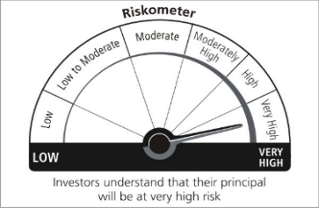 |  | This product is suitable for investors who are seeking* L&T FMP Series XVII - Plan B – A close-ended debt fund. • Growth of capital • Investment in a basket of debt / fixed income securities (including money market instruments) | 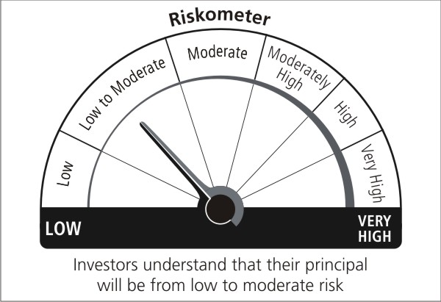
*Investors should consult their financial advisers if in doubt about whether the product is suitable for them. |  | Benchmark Name : Nifty 50 Hybrid composite debt 65:35 Index | *Investors should consult their financial advisers if in doubt about whether the product is suitable for them. |  | Benchmark Name : CRISIL Composite Bond Fund Index
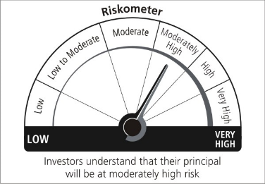
This product is suitable for investors who are seeking* L&T Conservative Hybrid Fund - An open ended hybrid scheme investing predominantly in debt instruments: • Generation of regular income over medium to long term • Investment in debt, equity and money market securities |  |  | This product is suitable for investors who are seeking* L&T Arbitrage Opportunities Fund - An open ended scheme investing in arbitrage opportunities: • Generation of reasonable returns over short to medium term • Investment predominantly in arbitrage opportunities in the cash and derivatives segments of the equity markets; and debt and money market instrument
*Investors should consult their financial advisers if in doubt about whether the product is suitable for them. |  | Benchmark Name :Nifty 50 Hybrid composite debt 15:85 Index | *Investors should consult their financial advisers if in doubt about whether the product is suitable for them. |  | Benchmark Name : Nifty 50 Arbitrage Index

This product is suitable for investors who are seeking* L&T Balanced Advantage Fund - An open ended dynamic asset allocation fund: • Long term capital appreciation and generation of reasonable returns • Investment in equity and equity related instruments, derivatives and debt and money market instruments. | 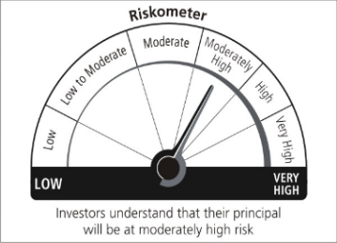 |  | This product is suitable for investors who are seeking* L&T Equity Savings Fund - An open ended scheme investing in equity, arbitrage and debt:ᵟ • Generation of regular income by predominantly investing in arbitrage opportunities in the cash and derivatives segment and long–term capital appreciation through unhedged exposure to equity and equity related instruments. • Investment in equity and equity related instruments, derivatives and debt and money market instruments |  | 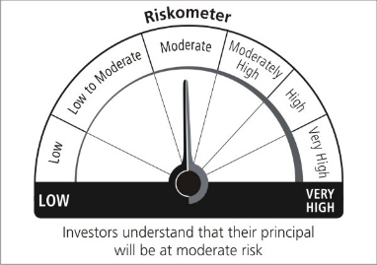
*Investors should consult their financial advisers if in doubt about whether the product is suitable for them. |  | Benchmark Name : Nifty 50 Hybrid composite debt 50:50 Index | *Investors should consult their financial advisers if in doubt about whether the product is suitable for them. |  | Benchmark Name : NIFTY Equity Savings Index

